H Bridge
Id | Symbol | Footprint | Quantity | Description | LCSC ID | USD Price
1 | Q6,Q3 | TO-252-2 | 2 | IRLZ44N | C2680878 | 2.11 |  | The whole LCSC cart can be downloaded on GitHub. (To check all the prices and links).
2 | R4,R6 | R_0805_2012Metric | 2 | 100R | C2907218 | 0.23
3 | C3,C2,C5,C4 | C_0805_2012Metric | 4 | 100nF | C49678 | 0.65 |  | Since 1. July 2026 there will be a new Category Flat Fee, affecting all EU residents, for each category (HS Code) of items there will be a flat
4 | Q5,Q1 | TO-252-2 | 2 | IRFR9024N | C41430593 | 0.45 |  | fee of 3€, the HS Codes for this package are: HS 8541, HS 8533, HS 8532, HS 8534, 8536 which is 5*3€ or 15€. This fee will be added when
5 | R8,R3,R2,R7 | R_0805_2012Metric | 4 | 10K | C2907219 | 0.22 |  | checking out (starting on 1.7.2026) automatically. But if I order a package on the 20.6. and the package will arrive to the borders in July I will
6 | D3,D4,D1,D2 | D_SMA | 4 | SS34 | C908680 | 0.66 |  | still need to pay the fees.
7 | M1 | JST_NV_B02P-NV_1x02_P5.00mm_Vertical | 1 | Motor_DC
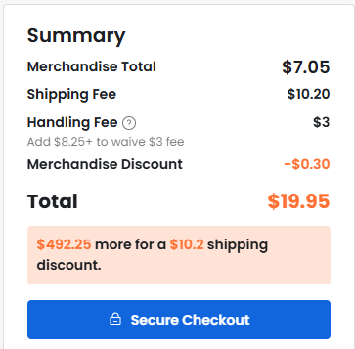
8 | Q2,Q4 | SOT-23 | 2 | BC847 | C57668 | 0.82
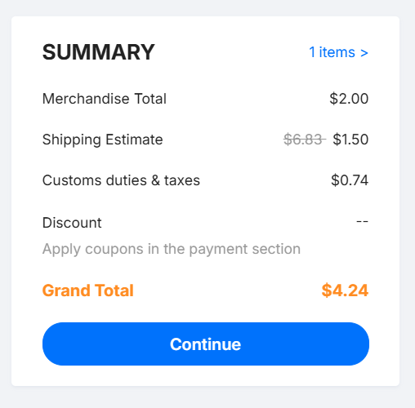
9 | R5,R1 | R_0805_2012Metric | 2 | 1K | C2907232 | 0.22
10 | C1 | CP_Elec_10x10 | 1 | 470uF | C72518 | 0.57
11 | J1 | JST_NV_B02P-NV_1x02_P5.00mm_Vertical | 1 | PWR_IN | C474881 | 0.50
12 | J2 | PinHeader_1x04_P2.54mm_Vertical | 1 | LOGIC_IN | C52016392 | 0.62
13 |  | LCSC Handling fee | 1 |  |  | 3.00
14 |  | LCSC Shipping | 1 |  |  | 10.20
15 |  | JLCPCB PCB | 1 | PCB |  | 4.24

 |  |  |  |  | Item Total: | 24.49
 |  |  |  |  |  | ´+18 USD | FEES
 |  |  |  |  | TOTAL: | 42.49

